SBT
Sail | Base | Track
 |  |  |  |  |  |  |  |  |  |  | x/c | z/c | xc | zc
Sail Geometry |  |  |  |  |  | Fudgin' |  |  |  |  | 0 | 0 | 0 | 0
b [m] | ctip [m] | S [m2] | AR | tmax |  | AR | croot [m] | tmax % | τ |  | 0.1 | 0 | 0.03 | 0
0.60 | 0.30 | 0.18 | 2.00 | 0 |  | 2.000 | 0.300 | 0.000 | 1.000 |  | 0.2 | 0 | 0.06 | 0
 |  |  |  |  |  |  |  |  |  |  | 0.3 | 0 | 0.09 | 0
τ | cr [m] | yc | luff | head | ϴ | Results |  |  |  |  | 0.4 | 0 | 0.12 | 0
1 | 0.3 | 0.3 | 0.60 | 0.3 | #DIV/0! | Airfoil | vmax [m/s] | dvmax [m] | length [m] | ϴFlap [°] | 0.5 | 0 | 0.15 | 0
Base Geometry |  |  |  |  |  | Thin Sheet | 1.856 | 0.213 | 0.319 | 0.000 | 0.6 | 0 | 0.18 | 0
l/d |  |  |  |  |  |  |  |  |  |  | 0.7 | 0 | 0.21 | 0
1.5 |  |  |  |  |  |  |  |  |  |  | 0.8 | 0 | 0.24 | 0
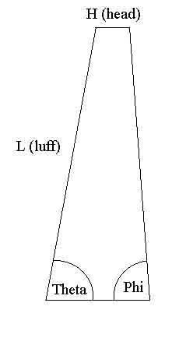
 |  |  |  |  |  |  |  |  |  |  | 0.9 | 0 | 0.27 | 0
Track Geometry |  |  |  |  |  |  |  |  |  |  | 1 | 0 | 0.3 | 0
Track Width | Track Length | Track Height
1.2192 | 4.2672 | 1.2192

Cambered Thin Airfoil
Component Mass [kg]
m1D Wheel | m2D Wheel | mServo | mBattery Pack | mbattery (4)
0.14300 | 0.16950 | 0.04000 | 0.01000 | 0.06000

mm0 | ρmast | ρaxle | ρlength | mfront | mend
0.15000 | 0.08934 | 0.08934 | 0.08934 | 0.16950 | 0.14300
Conditions
Rho [kg/m3] | Uinf [m/s] | μ [N s/m2] | Re | asea level [m/s] | Mach
1.225 | 6.03 | 0.00001789 | 1.23869E+05 | 340.29 | 0.017720179847

Dowell Selection
λwooden h | λwooden l | λaluminum
0.089344262295 | 0.0772 | ?

